HEK(1)
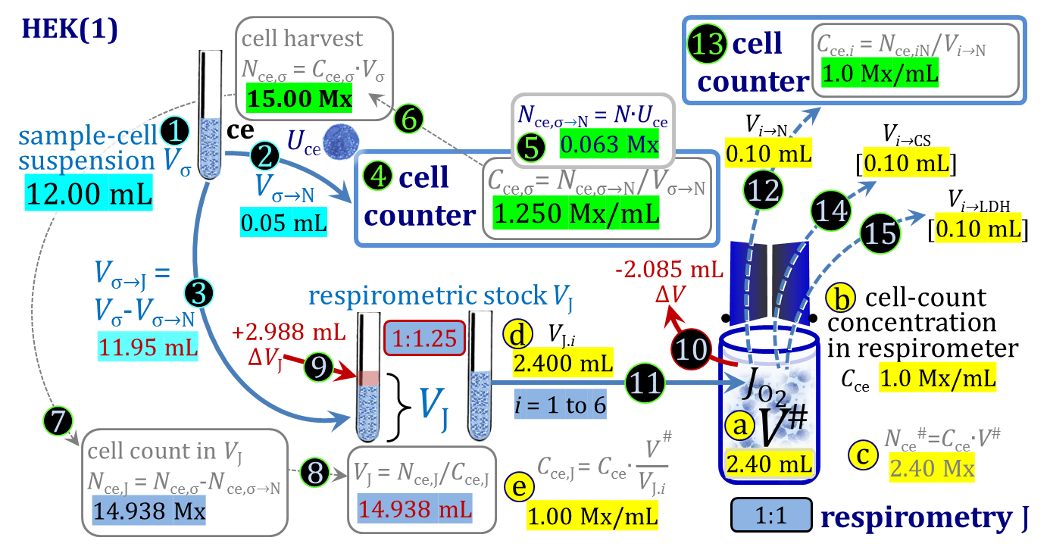
2020-09-28 | Complete volume replacement |  | HEK 15 Mx, 12 Mx min
 |  |  | Term | Symbol | = | Definition | Edit | Unit | Sum |  |  |  |  |  |  | Comments (the term cell concentration is used for cell-count concentration)
Ia. Edit | to calculate cell count Nce,σ in harvest | 4' | enter determined cell concentration in Vσ (or edit Nce,σ in Line 7 directly) | Cce,σ | = | Nce,σ/Vσ |  | Mx/mL |  |  | 15.000 | Mx | / | 12.000 | mL | Calculate total cell count Nce,σ from cell concentration Cce,σ and volume Vσ.
 |  | 1 | volume of cell suspension σ | Vσ |  |  | 12.000 | mL |  |  |  |  |  |  |  | Make sure that cell concentration Cce,σ corresponds to suspenesion volume Vσ.
 |  | 6' | calculated cell harvest; cell count in Vσ | Nce,σ | = | Cce,σ∙Vσ | 0.000 | Mx |  |  |  |  |  |  |  | Copy value of Nce,σ into line 7, or skip and enter value of Nce,σ directly in line 7.

or I.b | edit harvested cell count result |  | enter cell harvest; total cell count in Vσ | Nce,σ | = | Cce,σ∙Vσ | 15.000 | Mx |  |  |  |  |  |  |  | 1a. Plan with minimum expected cell harvest (12 Mx). 1b. Edit actual cell count.
II. Edit |  |  | cell concentration in experimental chamber | Cce | = | Nce/V | 1.000 | Mx/mL |  |  |  |  |  |  |  | 2. Adjust to modify JV,O2, which increases with Cce.
 | Select 0.5-mL or 2.0-mL chamber |  | experimental chamber volume (system) | V |  |  | 2.000 | mL |  | = | 0.500 | mL | or | 2.000 | mL | 3. Select V of 0.5-mL or 2.0-mL O2k chamber.
 |  |  | volume of stopper capillary | Vstc |  |  | 0.085 | mL | 2.085 |  | 0.040 | mL | or | 0.085 | mL | 4. Select Vstc of 0.5-mL or 2.0-mL O2k chamber.
 |  |  | subsample volume of stock VJ titrated into respirometer chamber | VJ.i |  |  | 2.400 | mL |  |  | 0.200 | mL | to | 0.800 | mL | 5. Set at 0.4∙V; increase VJ.i if ΔVJ is negative.
 | Edit sampled and wasted volumes |  | sum of volumes sampled from chamber i before closing | ΣVi→j |  |  | 0.300 | mL | 2.385 |  |  |  |  |  |  | 6. Not including any volumes sampled at the end of respirometry.
 |  |  | excess volume of cell suspension wasted in stopper receptacle | Vexc |  |  | 0.015 | mL | 2.400 |  |  |  |  |  |  | 7. Excess volume expelled into stopper receptacle.
III. Edit | cell suspension volumes σ |  | volume of cell suspension σ; from pre-experimental concept | Vσ |  |  | 12.000 | mL |  |  |  |  |  |  |  | 8. Maximize, but decrease Vσ if ΔVJ is negative at minimum cell harvest.
 |  |  | fixed subsample from Vσ for cell counting with further dilution steps | Vσ→N |  |  | 0.050 | mL |  |  |  |  |  |  |  | 9. This step may be omitted if cell harvest is highly predictable.

Results | Work-flow | Step | Term | Symbol | = | Definition | Numerical value | Unit | Control
 | I. Respirometric settings | a | total volume in open chamber after addition of cell suspension J | V# | = | V + Vstc + ΔV + VJ,i | 2.400 | mL | 2.400 | = | 2.000 | mL | + | 0.400 | mL
 |  | b | cell concentration in experimental chamber | Cce | = | Nce/V | 1.000 | Mx/mL
 |  | c | cell count in V# | Nce# | = | Cce∙V# | 2.400 | Mx | 2.400 | = | 1.000 | Mx/mL | ∙ | 2.400 | mL
 |  | d | subsample volume of stock VJ pipetted into open respirometer chamber | VJ.i |  |  | 2.400 | mL
 |  | e | cell concentration in respirometric stock VJ | Cce,J | = | Cce∙V#/VJ.i | 1.000 | Mx/mL | 1.000 | = | 2.400 | Mx | / | 2.400 | mL
 | Sequence of chamber-volumes | 1 | closed chamber with respiration medium, measurement of JO2° | V |  |  | 2.000 | mL |  |  |  |  |  |  |  | Experimental chamber volume.
 |  | 2 | stopper removed (open chamber), Vstc is drawn into chamber | V' | = | V + Vstc | 2.085 | mL | 2.085 | = | 2.000 | mL | + | 0.085 | mL | Experimental chamber volume + dead volume from stopper capillary.
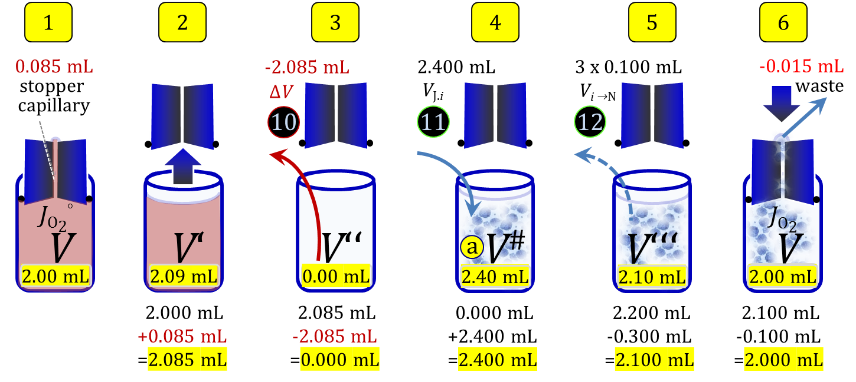
 |  | 3 | volume of respiration medium reduced by ΔV, reducing dilution of cells | V'' | = | V' + ΔV | 0.000 | mL | 0.000 | = | 2.085 | mL | - | 2.085 | mL
 |  | 4 | total volume in open chamber after addition of cell suspension J | V# | = | V'' + VJ.i | 2.400 | mL | 2.400 | = | 0.000 | mL | + | 2.400 | mL
 |  | 5 | volume in open chamber after subsampling cell suspension from chamber | V''' | = | V# - ΣVi→j | 2.100 | mL | 2.100 | = | 2.400 | mL | - | 0.300 | mL | Must not be less than V'.
 |  | 6 | chamber closed, filling the stopper capillary and expelling excess volume | V | = | V''' - Vstc - Vexc | 2.000 | mL | 2.000 | = | 2.100 | mL | - | 0.100 | mL
 | II. Cell suspension σ | 1 | volume of cell suspension σ | Vσ |  |  | 12.000 | mL
 |  | 2 | subsample from Vσ for cell counting with further dilution steps | Vσ→N |  |  | 0.050 | mL
 |  | 3 | subsample from Vσ for respirometry J | Vσ→J | = | Vσ-Vσ→N | 11.950 | mL | 11.950 | = | 12.000 | mL | - | 0.050 | mL
 | III. Cell counter | 4 | calculated cell concentration in cell suspension Vσ and Vσ→N | Cce,σ | = | Nce,σ/Vσ | 1.250 | Mx/mL | 1.250 | = | 15.000 | Mx | / | 12.000 | mL
 |  | 5 | cell count in cell count subsample Vσ→N | Nce,σ→N | = | Cce,σ∙Vσ→N | 0.063 | Mx | 0.063 | = | 1.250 | Mx/mL | ∙ | 0.050 | mL
 |  | 6 | cell harvest; cell count in Vσ | Nce,σ | = | Cce,σ∙Vσ | 15.000 | Mx
 | IV. Cell suspension J, respirometric stock | 7 | cell count in VJ | Nce,J | = | Cce,σ∙Vσ→J = Nce,σ-Nce,σ→N | 14.938 | Mx | 14.938 | = | 15.000 | Mx | - | 0.063 | Mx
 |  | 8 | volume of respirometric stock J | VJ | = | Nce,J/Cce,J | 14.938 | mL | 14.938 | = | 14.938 | Mx | / | 1.000 | Mx/mL
 |  | 9 | volume added to Vσ→J | ΔVJ | = | VJ-Vσ→J | 2.988 | mL | 2.988 | = | 14.938 | mL | - | 11.950 | mL | If ΔVJ is negative: (1) increase acute VJ.i; (2) decrease designed Vσ.
 |  | 10 | volume of respiration medium removed from open chamber | -ΔV | = | VJ.i - ΣVi→j - Vexc | 2.085 | mL | 2.085 | = | 2.400 | mL | - | 0.315 | mL
 |  |  | subsample volume of stock VJ titrated into respirometer chamber | VJ.i |  |  | 2.400 | mL
 |  | 11 | max. number of technical JO2 repeats depending on VJ and VJ.i | n | = | VJ/VJ.i | 6.224 | x | 6.224 | = | 14.938 | mL | / | 2.400 | mL
 |  | 12 | max. volume that may be sampled from chamber i before closing |  |  | ΣVi→j(max) + Vexc | 0.315 | mL
 | Dilutions | a | First cell suspension to respirometric stock | VJ/Vσ→J |  |  | 1.250 |  |  |  |  |  |  |  |  | Dilution from Cce,σ to Cce,J.
 |  | b | Respirometric stock to respirometric chamber | V#/VJ.i | = | Cce,J/Cce | 1.000 |  | 1.000 | = | 1.000 | mL | / | 1.000 | mL | Dilution from Cce,J to Cce.
 |  |  | Total dilution | a∙b | = | Cce,σ/Cce | 1.250 |  | 1.250 | = | 1.250 | Mx/mL | / | 1.000 | Mx/mL | Dilution from Cce,σ to Cce.

